Sheet1
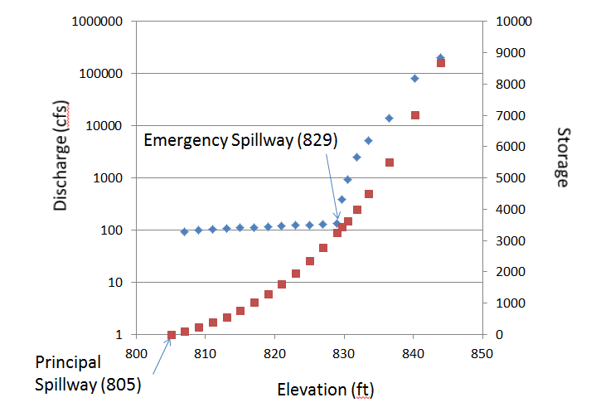
Elevation | Total Discharge | Storage
805.00 | 0.0 | 0.0
807.00 | 94.6 | 109.2
809.00 | 98.9 | 238.1
811.00 | 102.8 | 385.6
813.00 | 106.6 | 561.8
815.00 | 110.3 | 772.8
817.00 | 113.8 | 1031.5
819.00 | 117.2 | 1307.0
821.00 | 120.6 | 1608.4
823.00 | 123.8 | 1967.2
825.00 | 127.0 | 2353.0
827.00 | 130.1 | 2775.9
829.00 | 133.1 | 3243.9
829.75 | 387.2 | 3430.9
830.50 | 922.3 | 3631.0
831.85 | 2486.8 | 4002.9
833.50 | 5186.0 | 4501.4
836.50 | 14100.1 | 5510.8
840.25 | 81641.5 | 7008.9
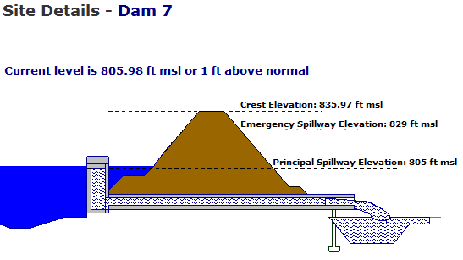
844.00 | 201496.5 | 8692.7

Sheet2
 | Total Discharge | Storage
805.00 | 0.0 | 0.0
807.00 | 94.6 | 109.2
809.00 | 98.9 | 238.1
811.00 | 102.8 | 385.6
813.00 | 106.6 | 561.8
815.00 | 110.3 | 772.8
817.00 | 113.8 | 1031.5
819.00 | 117.2 | 1307.0
821.00 | 120.6 | 1608.4
823.00 | 123.8 | 1967.2
825.00 | 127.0 | 2353.0
827.00 | 130.1 | 2775.9
829.00 | 133.1 | 3243.9
829.75 | 387.2 | 3430.9
830.50 | 922.3 | 3631.0
831.85 | 2486.8 | 4002.9
833.50 | 5186.0 | 4501.4
836.50 | 14100.1 | 5510.8
840.25 | 81641.5 | 7008.9
844.00 | 201496.5 | 8692.7

